Mean, median and mode
Mean, median and mode
Average income in the United States

Background | You have a sample of 11 people and their personal annual income.
Task 1 | Calculate the mean, median and mode
Task 2 | Try to interpret on the numbers you got

Annual income |  | Mediana | Media | Moda
$62,000.00 |  | $55,000.00 | $189,848.18 | 64000
$64,000.00
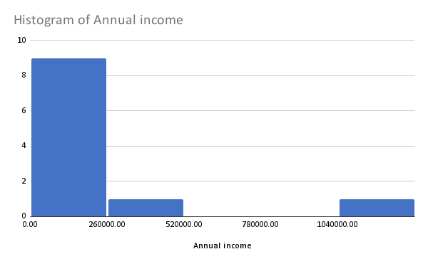
$49,000.00
$324,000.00
$1,264,000.00
$54,330.00
$64,000.00
$51,000.00
$55,000.00
$48,000.00
$53,000.00

